Sheet1
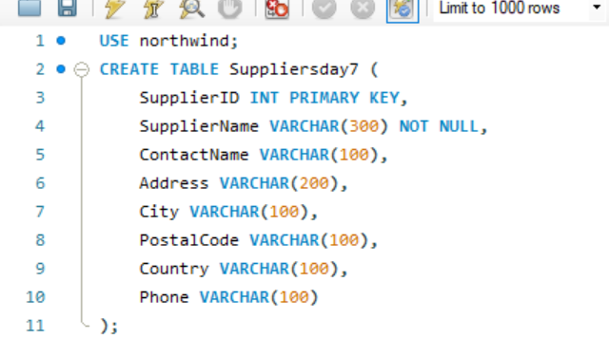
Assignment - 1 | Insert two suppliers in suppliers table
Query

Query

Result

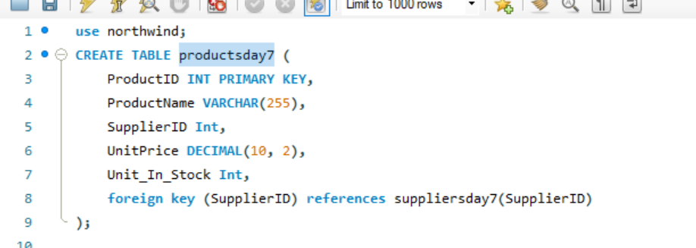
Assignment - 2 | Insert product in products table for specific suppliers
Query

Query

Result

Assignment - 3 | Place orders for one supplier's products.

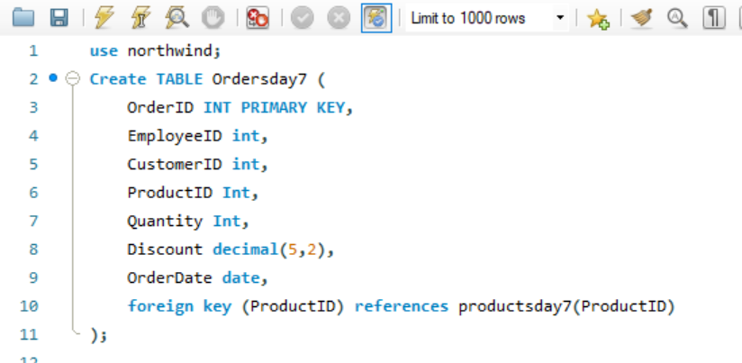
Query

Query

Result

Assignment - 4 | Update employeeID of orders table for spcific supplier's one product

Query

Result

Assignment - 5 | Update discount in order for spcific supplier's one product who placed order in July, 1997

Query

Result

Assignment - 6 | Remove order and its details for spcific supplier's one product.

Query

Result

